lung_m19
Lung Cancer (C33-C34): 2017-2019

Average Number of Deaths Per Year and Age-Specific Mortality Rates per 100,000 Persons Population, UK

Age Range | Female Deaths | Male Deaths | Female Rates | Male Rates
0 to 04 | 1 | 0 | 0.0 | 0.0
05 to 09 | 0 | 0 | 0.0 | 0.0
10 to 14 | 0 | 0 | 0.0 | 0.0
15 to 19 | 0 | 0 | 0.0 | 0.0
20 to 24 | 1 | 2 | 0.0 | 0.1
25 to 29 | 2 | 2 | 0.1 | 0.1
30 to 34 | 8 | 7 | 0.4 | 0.3
35 to 39 | 22 | 29 | 1.0 | 1.3
40 to 44 | 60 | 72 | 3.0 | 3.6
45 to 49 | 191 | 212 | 8.4 | 9.6
50 to 54 | 406 | 503 | 17.1 | 21.9
55 to 59 | 815 | 940 | 37.4 | 44.5
60 to 64 | 1,388 | 1,588 | 74.1 | 88.2
65 to 69 | 2,121 | 2,597 | 120.5 | 157.2
70 to 74 | 2,959 | 3,518 | 175.8 | 227.9
75 to 79 | 2,866 | 3,476 | 236.9 | 335.4
80 to 84 | 2,462 | 2,913 | 261.1 | 398.0
85 to 89 | 1,770 | 1,856 | 283.7 | 460.9
90+ | 1,068 | 914 | 263.9 | 493.9
All Ages | 16,140 | 18,631 | 47.3 | 66.0

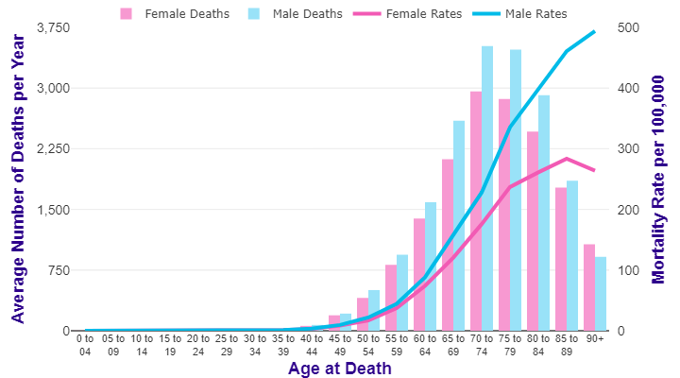

Source: cruk.org/cancerstats

You are welcome to reuse this Cancer Research UK statistics content for your own work.
Credit us as authors by referencing Cancer Research UK as the source.
Suggested style: Cancer Research UK, full URL of the page, Accessed [month] [year].

